Content

Material / Process Flow in the Warehouse
& Warehouse Operations Description
Material & Process Flow Diagram
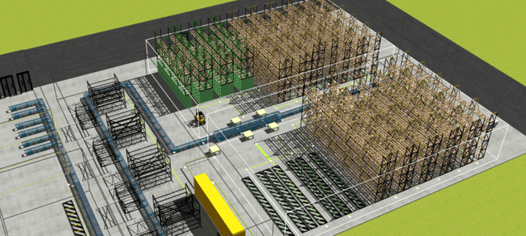
Operations Descritpion & Times
Transportation
• Material flow and processes detailed diagram, processes steps sequence; order processing
• Operations detailed description incl. specific processes in scope, warehouse tasks execution rules and constraints • Areas indication related to processes in scope
• List of transporters (MHE) used in the warehouse with indications of processes where they are used
KPI
• Used KPI's for each of process steps in scope • Staff figures and capacities per process

Material & Process Flow Diagram
Customer order picking process depending on order type
Orders can also be filtered by specific criteria and separate flows defined
Customer/sales order
Customer order filtering step and definition of picking process type

Full pallet single SKU order?
yes
no

Pick from pallet storage (reserve) area
Mixed order(batch) picking from picking area – pieces & cases
Product collection from defined zone

Pallet wrapping and other processing
VAS, etc.

Staging before truck loading
Shipping preparation

Shipping

Inbound / Putaway
Replenishment
Picking
Sorting
Material flow 1
Material flow 2
Material flow 3
Packing+ Shipping
VAS
Material flows separation criteria e.g.:
MF1: Flow for case picking
MF2: Flow for separate product type picking
MF3: Cross dock

Operations Descritpion & Times
basic description |  |  |  |  |  |  |  |  | constraints (obligatory if exist) |  | time per action
Process | Material flow (see diagram) | Action | Locations | Transporter reference from tab MHE (Transporters) | Next process step | Picking Unit | Pick-path strategy in aisle (u-turn, zigzag, directed aisles?) | Other specific restrictions on pick route building | Specific Location / Zone | Specific Product Type | Process break down and granular actitvities during process (needed for better processes understanding and model simulation/calibration) | Average time, s | Per unit:
Inbound / Putaway | MF1,2 | Pick from: | Inbound buffer
 |  | Move |  | Forklift | Replenishment | Pallet | u-turn | -- | - | - | scanning | 1 | pallet
 |  | Put to: | Storage zone 1, level 2-6
 | MF3 | Pick from: | Inbound buffer
 |  | Move |  | Forklift | Picking | Pallet | u-turn
 |  | Put to: | Storage zone 1, level 1
Replenishment | MF1,2 | Pick from: | Storage zone 1, level 2-6
 |  | Move |  | Forklift | Picking | Pallet, Carton | u-turn |  | - | -
 |  | Put to: | Storage zone 2, level 1
Picking | MF1 | Pick from: | Storage zone 2, level 1 |  |  |  |  |  |  |  | 1. preparing pick cart | 30 | order
 |  | Move |  | Cart | Packing | Carton, Piece | zigzag |  | - | - | 2. drive to pick location / drive to aisle entrance | 120 | orderline
 |  | Put to: | VAS and Pack station |  |  |  |  |  |  |  | 3. leave the cart and approach pick location | 5 | carton
 | MF2 | Pick from: | Storage zone 1, level 1 |  |  |  |  |  |  |  | 3. scan location and product | 5 | carton
 |  | Move |  | Forklift | Shipping | Pallet | u-turn |  |  |  | 4. pick and put goods to the picking cart | 10 | carton
 |  | Put to: | Shipping

example
Hints on how to choose info for the template:
1. Focus on processes that are in scope of the project
2. Add granular details for the processes that have to be deeply analysed and simulated
3. Keep in mind that in the end Digital Twin (ASIS model) is simulated and processes KPI's, calculated from the model, are compared to actual ones in the warehouse, therefore please make sure that all crucial WH processes and oprations details are provided
4. Add indication of areas / zones in the WH used for certain processes, use e.g. dwg drawing, mark areas when needed
Packing

Other…

KPI
Note: These data are not needed for direct insert to the Digital Twin, however, it can be used to better understand the possibilities and requirements for on time delivery
and validate the modeled As-Is situation
KPI per process step:
 | Staff & Capacities:
 | •Working Hours
 | •Shift models
 | •Number of workers per shift per zone
 | Productivity figures
 | •Time/Internal order – [..] s
 | •Distance/Internal order – [..] s
 | •Transportation time/internal orderline – [..] s
 | •Units/hour – [..]

