Content

Warehouse Layout Description:
Structure & Storage rules
Layout
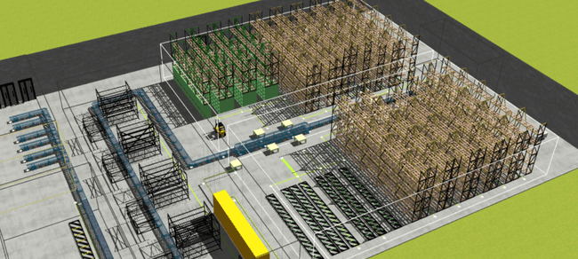
Storage Rules
• Warehouse layout input info and checklist
• Storage rules and constraints predefined per product type/category and warehouse area

Layout
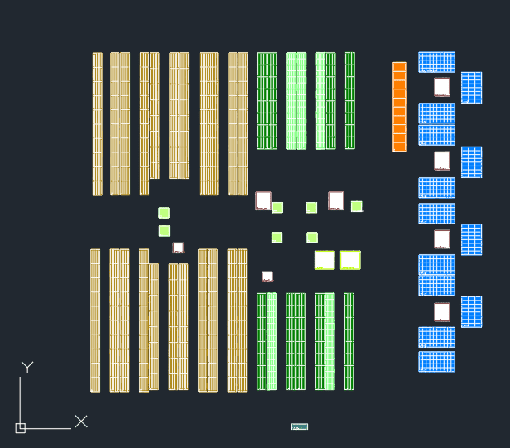
p.1
p.3: pallet racks
p.3: shelving racks
p.3: flow racks
p.3: pallet racks
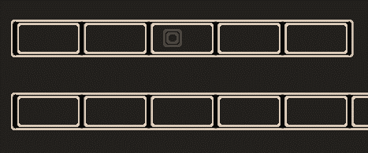
p.2: obstacles
pilar
all levels in this unit should be blocked
# | Obligatory | Supplied | Checklist | Example
1 | + |  | True to scale layout plans of all existing warehouses at the subsidiary (most preferred DWG drawing) | p.1
2 | + |  | Height of building, halls, mezzanines | building height = 10.45m
3 | + |  | Indicate obstacles (pillars etc.). IF an obstacle intersects with a rack, then define locations that should be excluded | p.2
4 | + |  | Aisle width (if can not be derived from WH drawing). Space between rack back sides | area1: aisle width - 2.4m distance between racks backsides - 0.3m
5 | + |  | Storage areas with dedicated racking types (pallet, flow, shelving rack, etc.) or marked at the drawing | p.3
6 | - |  | Rack structure: type (pallet, flow, shelving rack, etc.), number of rows and columns per rack or per unit. Rack height | p.3
7 | + |  | Bin sizes (in case sizes can not be easily retrieved from rack dimensions and columns, rows info) | p.3
8 | + |  | Bin naming pattern. Name example for certain location. Indicate the naming approach within and across different aisles (u-form, zig-zag) | p.4
9 | + |  | Number of available location (per area or rack type) or list of expected bin names | -
10 | + |  | Bin accessing side (picking, replenishment) in case rack is open from both sides | -
11 | + |  | Bin function: pick face, reserve location, buffer location. Areas of the same purpose-bins could be marked at the drawing | p5
p.4: bin naming pattern
[aisle number]-[rack unit number]-[column in a unit]-[level]
Example:
7-09-5-B
U-shape naming in the aisle
Naming in the next asie should be restarted from rack unit 1
Columns are named for each unit separately
12 | + |  | Bin unit: pick unit (pice, case, pallet), storage unit (pice, case, pallet) | p5
13 | + |  | Bin type: belonging to dedicated area and should be used for certain products placement (e.g. fridge area etc.) . Areas of the same purpose-bins could be marked at the drawing OR rule for bin classification could be shared | p5
14 | + |  | Fixed bins: indicate if product placement should not be changed for these locations | -
7-16-5-J
7-01-1-A
15 | - |  | Time study. Pick and put action time: - time to pick one unit from the defined bin - time to put one unit to the defined bin | p6
16
17
18
19
20
21
22

p.5: bin function, unit, type
shelving racks
Bin Function:
tack level 1-8 : picking.
Bin Pick Unit: piece, case
Storage Unit: case
Bin type: A
Bin Function:
rack level 9 : reserve
Pick Unit: case
Storage Unit: case
Bin type: A
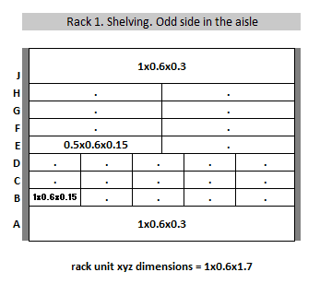
p.3

7-09-5-B

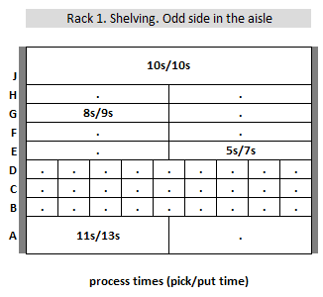
p.6: process times
Pick Time/Put time per action for location
7-09-1-A: 11s/13s
7-09-2-E: 5s/7s
7-09-1-G: 8s/9s
7-09-1-J: 10s/10s
p.6

